Start
FAO/GFCM: STATLANT 37A

 | Version: May 2016

FORM FOR REPORTING STATISTICS ON CATCHES IN MEDITERRANEAN AND BLACK SEA
FORMULAIRE POUR LA DÉCLARATION DES STATISTIQUES DES CAPTURES DANS LA MÉDITERRANÉE ET MER NOIRE
FORMULARIO PARA INFORMACIÓN ESTADÍSTICA DE CAPTURAS EN EL MEDITERRÁNEO Y MAR NEGRO

All commercial, industrial and subsistence fisheries
Toute la pêche commerciale, industrielle et de subsistence
Toda la pesca comercial, industrial y de subsistencia

 | Reference year for data
 | Année de référence pour les données |  | ◄
 | Año de referencia de los datos

 | GFCM Member / membre de la CGPM / Miembros de la CGPM |  |  | ◄

 | Other country / Autre pays / Otro país |  |  | ◄

 | 0 | 0
 | Click here to START the Data-Entry

GFCM HQ - Palazzo Blumenstihl, Via Vittoria Colonna 1 - 00193, Rome, Italy - Tel: +390657054055 - Fax: +390657056500
 | www.fao.org/gfcm | gfcm-secretariat@fao.org

Map
 | ► go to Matching table ◄

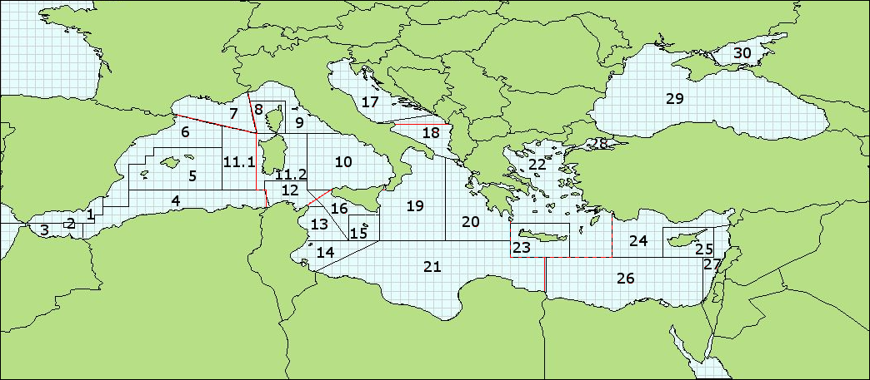

GFCM capture production

List of subareas and divisions: |  | List of the GFCM Geographical subareas (GSAs):

37 1 - WESTERN subarea |  | 1 | Northern Alboran Sea
 |  | 2 | Alboran Island
37 1 1 - Balearic |  | 3 | Southern Alboran Sea
37 1 2 - Gulf of Lion |  | 4 | Algeria
37 1 3 - Sardinia |  | 5 | Balearic Islands
 |  | 6 | Northern Spain
37 2 - CENTRAL subarea |  | 7 | Gulf of Lion
 |  | 8 | Corsica
37 2 1 - Adriatic |  | 9 | Ligurian Sea and Northern Tyrrhenian Sea
37 2 2 - Ionian |  | 10 | Southern and Central Tyrrhenian Sea
 |  | 11.1 | Western Sardinia
37 3 - EASTERN subarea |  | 11.2 | Eastern Sardinia
 |  | 12 | Northern Tunisia
37 3 1 - Aegean |  | 13 | Gulf of Hammamet
37 3 2 - Levant |  | 14 | Gulf of Gabes
 |  | 15 | Malta
37 4 - BLACK SEA subarea |  | 16 | Southern Sicily
 |  | 17 | Northern Adriatic Sea
37 4 1 - Marmara Sea |  | 18 | Southern Adriatic Sea
37 4 2 - Black Sea (proper) |  | 19 | Western Ionian Sea
37 4 3 - Azov Sea |  | 20 | Eastern Ionian Sea
 |  | 21 | Southern Ionian Sea
 |  | 22 | Aegean Sea
 |  | 23 | Crete
 |  | 24 | Northern Levant Sea
 |  | 25 | Cyprus
 |  | 26 | Southern Levant Sea
 |  | 27 | Eastern Levant Sea
 |  | 28 | Marmara Sea
 |  | 29 | Black Sea
 |  | 30 | Azov Sea

Tuna catches are not allocated according to GFCM statistical divisions and are grouped together into a division named "Tunas"(37 0 0). Another division, named "Not known" (37 9 0), contains all the catches for which the statistical division is not known.

-----------------------------------------------------------------------------------------------------------------------------------------------------------
Captures CGPM

Les sous-zones et les divisions sont les suivantes :

37 1 - La sous-zone OCCIDENTALE, qui regroupe trois divisions, à savoir

37 1 1 - Baléares
37 1 2 - Golfe du Lion
37 1 3 - Sardaigne

37 2 - La sous-zone CENTRALE, qui regroupe deux divisions, à savoir

37 2 1 - Adriatique
37 2 2 - Ionienne

37 3 - La sous-zone ORIENTALE, qui regroupe deux divisions, à savoir

37 3 1 - Egée
37 3 2 - Levant

37 4 - La sous-zone MER NOIRE, qui regroupe trois divisions, à savoir

37 4 1 - Mer de Marmara
37 4 2 - Mer Noire (proprement dite)
37 4 3 - Mer d'Azov

Puisqu'il n'est pas possible de ventiler de façon sûre les prises de thonidés par divisions statistiques, ces prises sont données groupées pour l'entière région du CGPM sous une division appelée "Thons" (37 0 0). Une autre division, appelée "Inconnue" (37 9 0), regroupe les prises dont la division statistique de pêche n'est pas certaine.

